Logo
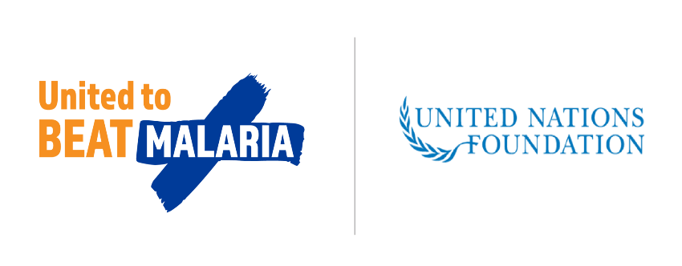
The AMP Net Mapping Project

3rd Quarter 2022

 | funded by

